Test Cases - Funtional
INDEX

TC_No | Test Case | Test Description | Expected Result | Actual Result | Result | Defect JIRA # | Comments
1 | INC-1991 | CCPA Compliance Cockpit October 10th, 2019 - Discrepancy between input file and what displayed by Cockpit | CCPA file should be trucate and load on the Daily basis | Now the CCPA File has been daily Trucate and reload on the daily basis | Pass

 |  | Point 2 | Validation on 13-Nov-2019 as of 12-Nov-2019 file

 | Select 'pg_ot_ccpa_pa_inventory_c_final',Count(1) as CNT FROM png_mdsdb.pg_ot_ccpa_pa_inventory_c_final a where a.cdctype='X' Group by 1 UNION Select 'f_png_ot_ccpa_numerita_c',Count(1) as CNT FROM png_mdwdb.f_png_ot_ccpa_numerita_c a where a.soft_deleted_flag='N' group by 1 UNION Select 'f_png_ot_ccpa_validation_control_c',Count(1) as CNT FROM png_mdwdb.f_png_ot_ccpa_validation_control_c a where a.soft_deleted_flag='N' group by 1 UNION Select 'd_png_ot_ccpa_numerita_c',Count(1) as CNT FROM png_mdwdb.d_png_ot_ccpa_numerita_c a where a.soft_deleted_flag='N' group by 1; Select Count(distinct a.ID) FROM png_mdsdb.pg_ot_ccpa_pa_inventory_c_final a where a.cdctype='X';

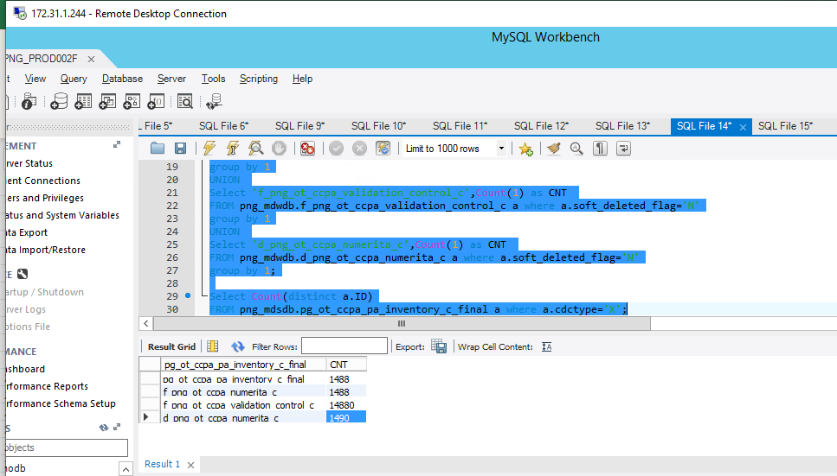
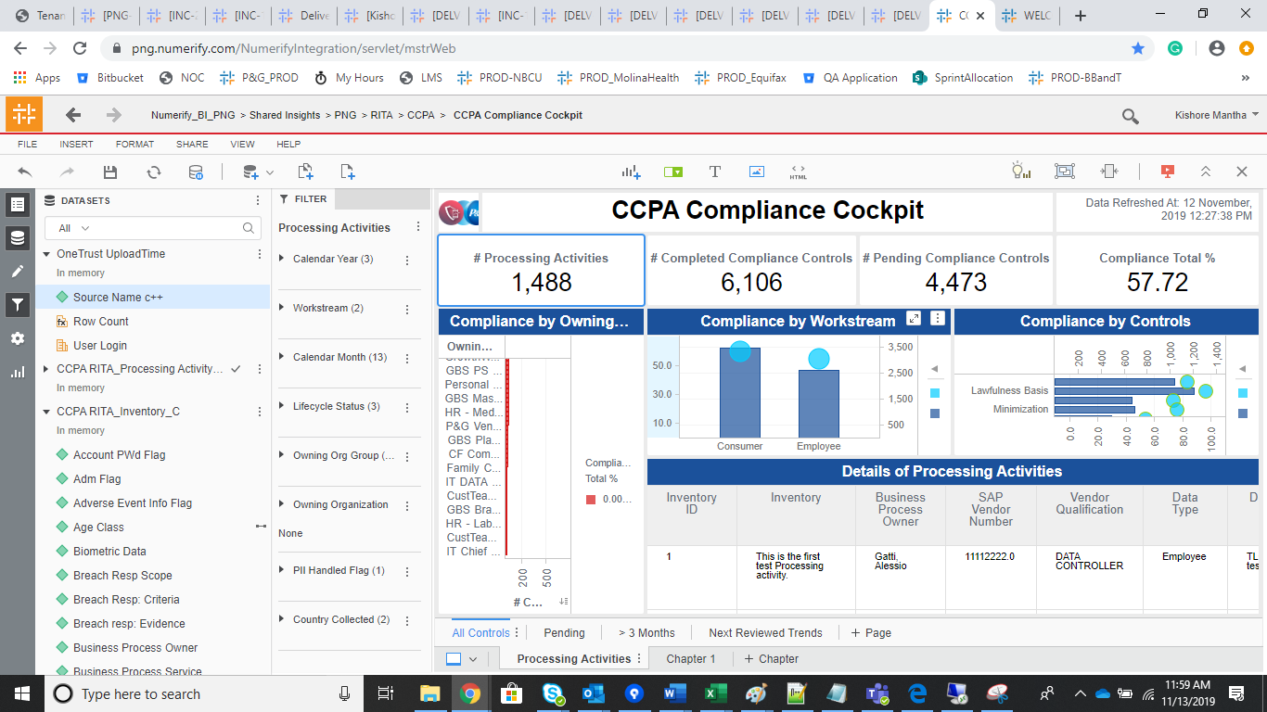

DELV-19002

DELV-18954

